Introduction
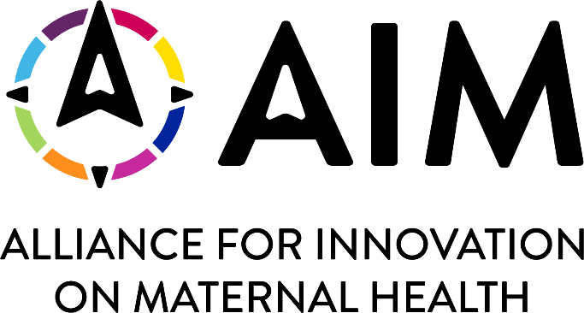 AIM Sampling Workbook Introduction Version: July 25, 2022 The purpose of the workbook is support sampling for AIM metrics within Patient Safety Bundles. Note that not all AIM metrics allow for sampling. The bundle-specific documentation should be reviewed thoroughly. This workbook contains 4 worksheets: 1. Introduction: This page. 2. Sampling Worksheet: This is the main sampling tool/calculator. 3. Minimum Data Points: Guidance for determining the minimum data points needed (this info is needed to complete the sampling worksheet above). 4. Recommended Reading: Citations provided for those who would like a more thorough introduction to sampling for Quality Improvement.

